Estimated Mobilization Map - US
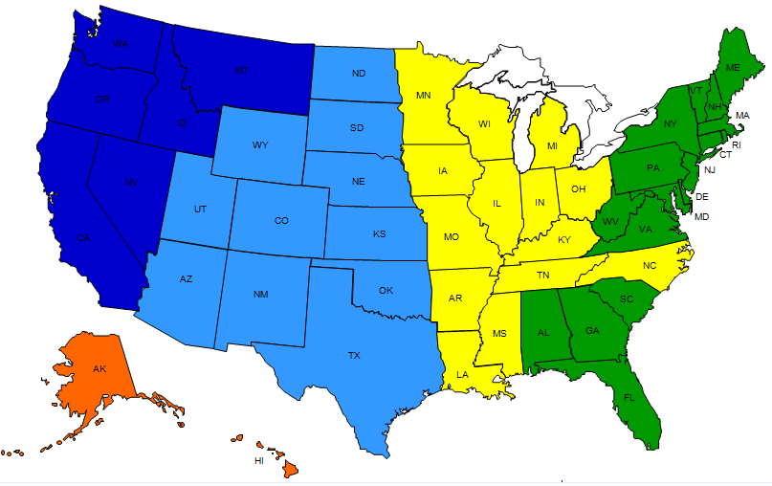

•Price ranges are estimates; exact location within a territory, airfare,
accommodation expenses and fuel costs will impact price

•No mobilization charge for IOVR+ on quantities of cells within a defined market
or geographic area of approx. 20 mile radius between sites

